Arkusz1
PHOTOS | Brand | Code | Style | EAN | Full | Gender | Size | Col | QTY | RRP
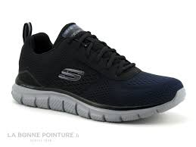 | SKECHERS | 232399-NVBK | 232399 | 196642544665 | TRACK-RIPKENT | HOMMES | 39 | NVBK | 1 | 70.00 EUR
 | SKECHERS | 232399-NVBK | 232399 | 196642544689 | TRACK-RIPKENT | HOMMES | 40 | NVBK | 3 | 70.00 EUR
 | SKECHERS | 232399-NVBK | 232399 | 196642544696 | TRACK-RIPKENT | HOMMES | 41 | NVBK | 6 | 70.00 EUR
 | SKECHERS | 232399-NVBK | 232399 | 196642544719 | TRACK-RIPKENT | HOMMES | 42 | NVBK | 9 | 70.00 EUR
 | SKECHERS | 232399-NVBK | 232399 | 196642544733 | TRACK-RIPKENT | HOMMES | 43 | NVBK | 12 | 70.00 EUR
 | SKECHERS | 232399-NVBK | 232399 | 196642544740 | TRACK-RIPKENT | HOMMES | 44 | NVBK | 9 | 70.00 EUR
 | SKECHERS | 232399-NVBK | 232399 | 196642544757 | TRACK-RIPKENT | HOMMES | 45 | NVBK | 6 | 70.00 EUR
 | SKECHERS | 232399-NVBK | 232399 | 196642544771 | TRACK-RIPKENT | HOMMES | 46 | NVBK | 3 | 70.00 EUR
 | SKECHERS | 232399-NVBK | 232399 | 196642544788 | TRACK-RIPKENT | HOMMES | 47.5 | NVBK | 2 | 70.00 EUR
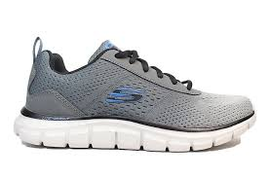 | SKECHERS | 232399-CCGY | 232399 | 195969659588 | TRACK-RIPKENT | HOMMES | 39 | CCGY | 1 | 70.00 EUR
 | SKECHERS | 232399-CCGY | 232399 | 195969659601 | TRACK-RIPKENT | HOMMES | 40 | CCGY | 3 | 70.00 EUR
 | SKECHERS | 232399-CCGY | 232399 | 195969659618 | TRACK-RIPKENT | HOMMES | 41 | CCGY | 6 | 70.00 EUR
 | SKECHERS | 232399-CCGY | 232399 | 195969659632 | TRACK-RIPKENT | HOMMES | 42 | CCGY | 9 | 70.00 EUR
 | SKECHERS | 232399-CCGY | 232399 | 195969659656 | TRACK-RIPKENT | HOMMES | 43 | CCGY | 12 | 70.00 EUR
 | SKECHERS | 232399-CCGY | 232399 | 195969659663 | TRACK-RIPKENT | HOMMES | 44 | CCGY | 9 | 70.00 EUR
 | SKECHERS | 232399-CCGY | 232399 | 195969659670 | TRACK-RIPKENT | HOMMES | 45 | CCGY | 6 | 70.00 EUR
 | SKECHERS | 232399-CCGY | 232399 | 195969659694 | TRACK-RIPKENT | HOMMES | 46 | CCGY | 3 | 70.00 EUR
 | SKECHERS | 232399-CCGY | 232399 | 195969659700 | TRACK-RIPKENT | HOMMES | 47.5 | CCGY | 2 | 70.00 EUR
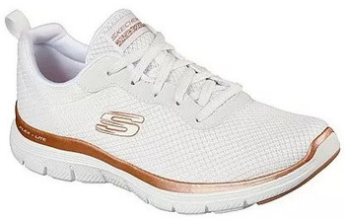 | SKECHERS | 149303-WTRG | 149303 | 195969003404 | FLEX APPEAL 4.0-BRILLIANT VIE | FEMMES | 36 | WTRG | 2 | 70.00 EUR
 | SKECHERS | 149303-WTRG | 149303 | 195969003428 | FLEX APPEAL 4.0-BRILLIANT VIE | FEMMES | 37 | WTRG | 6 | 70.00 EUR
 | SKECHERS | 149303-WTRG | 149303 | 195969003442 | FLEX APPEAL 4.0-BRILLIANT VIE | FEMMES | 38 | WTRG | 8 | 70.00 EUR
 | SKECHERS | 149303-WTRG | 149303 | 195969003466 | FLEX APPEAL 4.0-BRILLIANT VIE | FEMMES | 39 | WTRG | 10 | 70.00 EUR
 | SKECHERS | 149303-WTRG | 149303 | 195969003480 | FLEX APPEAL 4.0-BRILLIANT VIE | FEMMES | 40 | WTRG | 6 | 70.00 EUR
 | SKECHERS | 149303-WTRG | 149303 | 195969003497 | FLEX APPEAL 4.0-BRILLIANT VIE | FEMMES | 41 | WTRG | 2 | 70.00 EUR
 | SKECHERS | 149303-WTRG | 149303 | 195969003503 | FLEX APPEAL 4.0-BRILLIANT VIE | FEMMES | 42 | WTRG | 0 | 70.00 EUR
 | SKECHERS | 149303-BKRG | 149303 | 195204358757 | FLEX APPEAL 4.0-BRILLIANT VIE | FEMMES | 36 | BKRG | 1 | 70.00 EUR
 | SKECHERS | 149303-BKRG | 149303 | 195204358771 | FLEX APPEAL 4.0-BRILLIANT VIE | FEMMES | 37 | BKRG | 3 | 70.00 EUR
 | SKECHERS | 149303-BKRG | 149303 | 195204358795 | FLEX APPEAL 4.0-BRILLIANT VIE | FEMMES | 38 | BKRG | 8 | 70.00 EUR
 | SKECHERS | 149303-BKRG | 149303 | 195204358818 | FLEX APPEAL 4.0-BRILLIANT VIE | FEMMES | 39 | BKRG | 10 | 70.00 EUR
 | SKECHERS | 149303-BKRG | 149303 | 195204358832 | FLEX APPEAL 4.0-BRILLIANT VIE | FEMMES | 40 | BKRG | 6 | 70.00 EUR
 | SKECHERS | 149303-BKRG | 149303 | 195204358849 | FLEX APPEAL 4.0-BRILLIANT VIE | FEMMES | 41 | BKRG | 2 | 70.00 EUR
 | SKECHERS | 149303-BKRG | 149303 | 195204752579 | FLEX APPEAL 4.0-BRILLIANT VIE | FEMMES | 42 | BKRG | 0 | 70.00 EUR
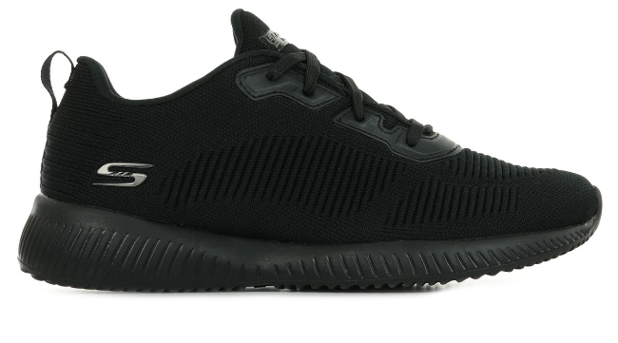 | SKECHERS | 32504-BBK | 32504 | 192283121616 | BOBS SQUAD - TOUGH TALK | FEMMES | 36 | BBK | 3 | 65.00 EUR
 | SKECHERS | 32504-BBK | 32504 | 192283121630 | BOBS SQUAD - TOUGH TALK | FEMMES | 37 | BBK | 8 | 65.00 EUR
 | SKECHERS | 32504-BBK | 32504 | 192283121654 | BOBS SQUAD - TOUGH TALK | FEMMES | 38 | BBK | 10 | 65.00 EUR
 | SKECHERS | 32504-BBK | 32504 | 192283121678 | BOBS SQUAD - TOUGH TALK | FEMMES | 39 | BBK | 12 | 65.00 EUR
 | SKECHERS | 32504-BBK | 32504 | 192283121692 | BOBS SQUAD - TOUGH TALK | FEMMES | 40 | BBK | 7 | 65.00 EUR
 | SKECHERS | 32504-BBK | 32504 | 192283121708 | BOBS SQUAD - TOUGH TALK | FEMMES | 41 | BBK | 3 | 65.00 EUR
 | SKECHERS | 32504-BBK | 32504 | 193113672698 | BOBS SQUAD - TOUGH TALK | FEMMES | 42 | BBK | 1 | 65.00 EUR
 |  |  |  |  |  |  |  |  | 210

